Marlinde
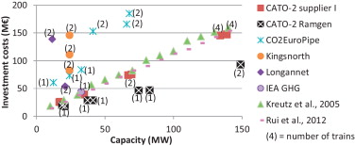
I o | 21.9
Wcomp | 12
Wcomp 0 | 13
scaling factor | 0.67
n | 2
me | 0.9

invest compressor | 38

 |  | http://www.sciencedirect.com/science/article/pii/S1750583613004490

